Sheet1
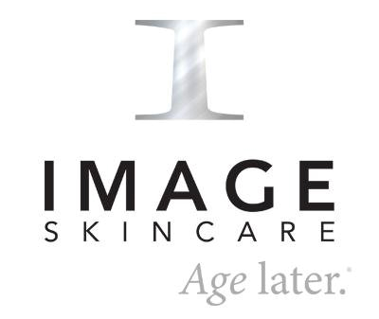

STEP 1 - Download and save this as a Excel document to your computer/phone.
STEP 2 - Fill out the number of each product you'd like to order under the 'Quantity' column
STEP 3 - This will automatically give you a total amount. Save your form as a PDF
STEP 4 - Please use the banking details at the bottom of the form to make an EFT payment.
STEP 5 - Send both your order form and proof of payment to info@onfleekbrows.co.za
STEP 6 - Your products can take between 5-7 days to arrive at On Fleek. Jaydene will notifiy you when they are ready to be collected. Thanks for the order!

 | PRODUCT | ML | PRICE | QUANTITY | SUB TOTAL
LONG 4 LASHES
 | Eyelash Enhancing Serum | 3ml | R950.00 |  | R-

PREVENTION+ | Protect | Nourish | Defend
An award-winning suncare moisturiser with broad-spectrum UVA/UVB protection
 | Daily Hydrating Moisturizer SPF30 | 95ml | R965.00 |  | R-
 | Daily Matte Moisturizer SPF32 | 95ml | R965.00 |  | R-
 | Daily Tinted Moisturizer SPF30 | 95ml | R965.00 |  | R-
 | Daily Ultimate Protection Moisturizer SPF50 | 95ml | R965.00 |  | R-

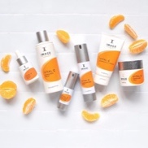
VITAL C | Hydrate | Nourish | Revitalize
Our original and best-selling collection. Formulated for dry, sensitive and redness-prone skin
 | Hydrating Facial Cleanser | 177ml | R685.00 |  | R-
 | Hydrating Anti-Ageing Serum | 50ml | R1,510.00 |  | R-
 | Hydrating Repair Crème | 57ml | R1,590.00 |  | R-
 | Hydrating Enzyme Masque | 58ml | R795.00 |  | R-
 | Hydrating Eye Recovery Gel | 15ml | R1,060.00 |  | R-
 | Hydrating Intense Moisturizer | 50ml | R1,475.00 |  | R-
 | Hydrating Overnight Masque | 59ml | R1,335.00 |  | R-
 | Hydrating ACE Serum | 30ml | R1,425.00 |  | R-
 | Hydrating Water Burst | 58ml | R1,085.00 |  | R-

AGELESS | Defy Time | Rejuvenate| Age Later
Combats fine lines and wrinkles to restore youthful looking skin.
 | Facial Cleanser | 177ml | R685.00 |  | R-
 | Ant-aging Serum | 50ml | R1,550.00 |  | R-
 | Repair Crème | 59ml | R1,550.00 |  | R-
 | Resurfacing Masque | 59ml | R830.00 |  | R-
 | Eye Lift Crème | 15ml | R1,075.00 |  | R-
 | Retinol-A Crème | 30ml | R1,585.00 |  | R-
 | Pure Hyaluronic Filler | 30ml | R1,535.00 |  | R-
 | Overnight Retinol Masque | 50ml | R1,835.00 |  | R-

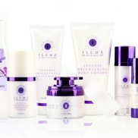
ILUMA | Brighten | Lighten | Illuminate
Intense formulas to diminish dark spots and correct pigmentation.
 | Intense Brightening Cleanser | 118ml | R745.00 |  | R-
 | Intense Brightening Exfoliating Powder | 43g | R810.00 |  | R-
 | Intense Brightening Serum | 30ml | R1,135.00 |  | R-
 | Intense Brightening Crème | 50ml | R1,935.00 |  | R-
 | Intense Brightening Eye Cream | 15ml | R1,600.00 |  | R-

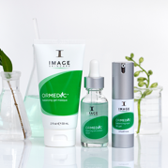
ORMEDIC | Nourish | Protect | Soothe
A synthesis of potent botanicals with clinically smart ingredients
 | Balancing Facial Cleanser | 177ml | R695.00 |  | R-
 | Balancing Gel Polisher | 95ml | R825.00 |  | R-
 | Balancing Anti-Oxidant Serum | 30ml | R1,315.00 |  | R-
 | Balancing Bio-Peptide Creme | 59ml | R1,585.00 |  | R-
 | Balancing Gel Masque | 59ml | R925.00 |  | R-
 | Balancing Eye Lift Gel | 15ml | R1,125.00 |  | R-
 | Balancing Lip Enhancement Complex | 7ml | R470.00 |  | R-
 | CFS Sheer Pink Lip Enhancement Complex | 7ml | R470.00 |  | R-

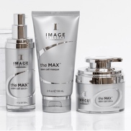
THE MAX | Correction | Prevention | Nutrition
Next-generation technology for ultimate skin rejuvenation.
 | · Stem Cell Facial Cleanser -118ml | 118ml | R725.00 |  | R-
 | · Stem Cell Serum -30ml | 30ml | R2,415.00 |  | R-
 | · Stem Cell Crème -50ml | 50ml | R2,565.00 |  | R-
 | · Stem Cell Masque -59ml | 59ml | R895.00 |  | R-
 | · Stem Cell Eye Crème -15ml | 15ml | R1,335.00 |  | R-
 | · Stem Cell Neck Lift - 59ml | 59ml | R2,180.00 |  | R-
 | · Wrinkle Smoother - 15ml | 15ml | R2,160.00 |  | R-
 | · Contour Crème - 50ml | 50ml | R2,975.00 |  | R-

TOTAL |  |  |  |  | R-
Please make an EFT payment to the following account:

ON FLEEK
FNB
Branch No: 250 655
Acc No: 6204 952 0332
Cheque Account

Please save & email order form + POP to info@onfleekbrows.co.za

