FORMULAGE
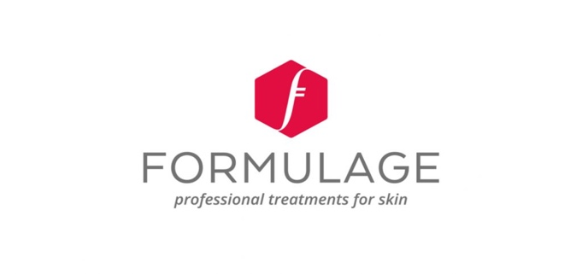

STEP 1 - Download and save this as a Excel document to your computer/phone.
STEP 2 - Fill out the number of each product you'd like to order under the 'Quantity' column
STEP 3 - This will automatically give you a total amount. Save your form as a PDF
STEP 4 - Please use the banking details at the bottom of the form to make an EFT payment.
STEP 5 - Send both your order form and proof of payment to info@onfleekbrows.co.za
STEP 6 - Your products can take between 5-7 days to arrive at On Fleek. Jaydene will notifiy you when they are ready to be collected. Thanks for the order!

 | PRODUCT | ML | PRICE | QUANTITY | SUB TOTAL
Cleansers
 | Cleanser (Gel) | 250 ml | R245.00 |  | R-
 | Cleansing Milk | 250 ml | R245.00 |  | R-

Day Creams & SPFS's
 | Day Cream SPF 30 | 150ml | R702.00 |  | R-
 | Activating Day Cream SPF 30 | 50ml | R635.00 |  | R-
 | Fair Complexion Day Cream SPF 30 | 150ml | R747.00 |  | R-
 | Red Complexion Day Cream SPF 30 | 150ml | R676.00 |  | R-
 | Sun cream SPF30 - 150ml | 150ml | R555.00 |  | R-

Additives
 | Activating Neck Cream SPF 30 | 50ml | R600.00 |  | R-
 | Perfect Skintone SPF 20 | 150ml | R360.00 |  | R-
 | Anti-ageing Serum | 55ml | R635.00 |  | R-
 | Eye Cream | 30ml | R345.00 |  | R-
 | Gentle Exfoliating Polish | 250ml | R700.00 |  | R-
 | Gentle Exfoliating Mask | 250ml | R500.00 |  | R-
 | Hyaluronate Spray | 55ml | R345.00 |  | R-
 | Striagel for Stretch Marks | 150ml | R555.00 |  | R-

Night Creams
 | Night Cream | 50ml | R540.00 |  | R-
 | Activating Night Cream | 50ml | R635.00 |  | R-
 | Radiant Night Cream | 50 ml | R635.00 |  | R-

TOTAL |  |  |  |  | R-

Please make an EFT payment to the following account:

ON FLEEK
FNB
Branch No: 250 655
Acc No: 6204 952 0332
Cheque Account

Please save & email order form + POP to info@onfleekbrows.co.za

